Discovery
Discovery Screen
110" 1,78 Aspect Ratio
 |  |  |  |  | 2794

 |  |  |  | 2794
 |  |  |  | 110

 |  |  | 1570
 |  |  | 61.797752809
 |  |  |  |  |  |  |  | 1700
 |  |  |  |  | 3205 |  |  | 66.915863045
 |  |  |  |  | 126.17036995

 |  |  |  |  |  |  |  |  | 36
 |  |  |  | 2924 |  |  |  |  | 1.4173228346
 |  |  |  | 115.11811024

 | Inches | mm |  |  |  | Date: | 2025-10-01
Image W | 110 | 2,794 | Native AR | 1.78 |  | Customer:
Image H | 61.797752809 | 1570 | Closed AR | NA |  | Sign off:
Ext W | 115.11811024 | 2924 | Close W | NA | Notes: |  |  |  | Picture Not to Scale
Ext H | 66.915863045 | 1700 | Voltage | NA | Only standard sizes available. Please select from the drop-down menu attached to metric image width cell. 2 aspects ratios available
Diagonal | 126.17036995 | 3205 | Frame W | 65
Depth | 1.4173228346 | 36 | mm to Inch | 25.4

 | Max Image width: 3556 mm

Choose Surface | Enlightor NEO.
 | Visionaire USTAT.
 | Visionaire HC.

 | Bracket Locations
 | There are 2 brackets on the top of the screen.
 | The top Brackets are Z brackets that are movable to suit.

 | Estimated Shipping Sizes & Weights |  |  |  | The screen is shipped in various parts

 | Boxes: | 1
 | Length: | 1812 | mm | each
 | Height: | 250 | mm | each
 | Width: | 200 | mm | each
 | Weight: | 26 | Kg | Total

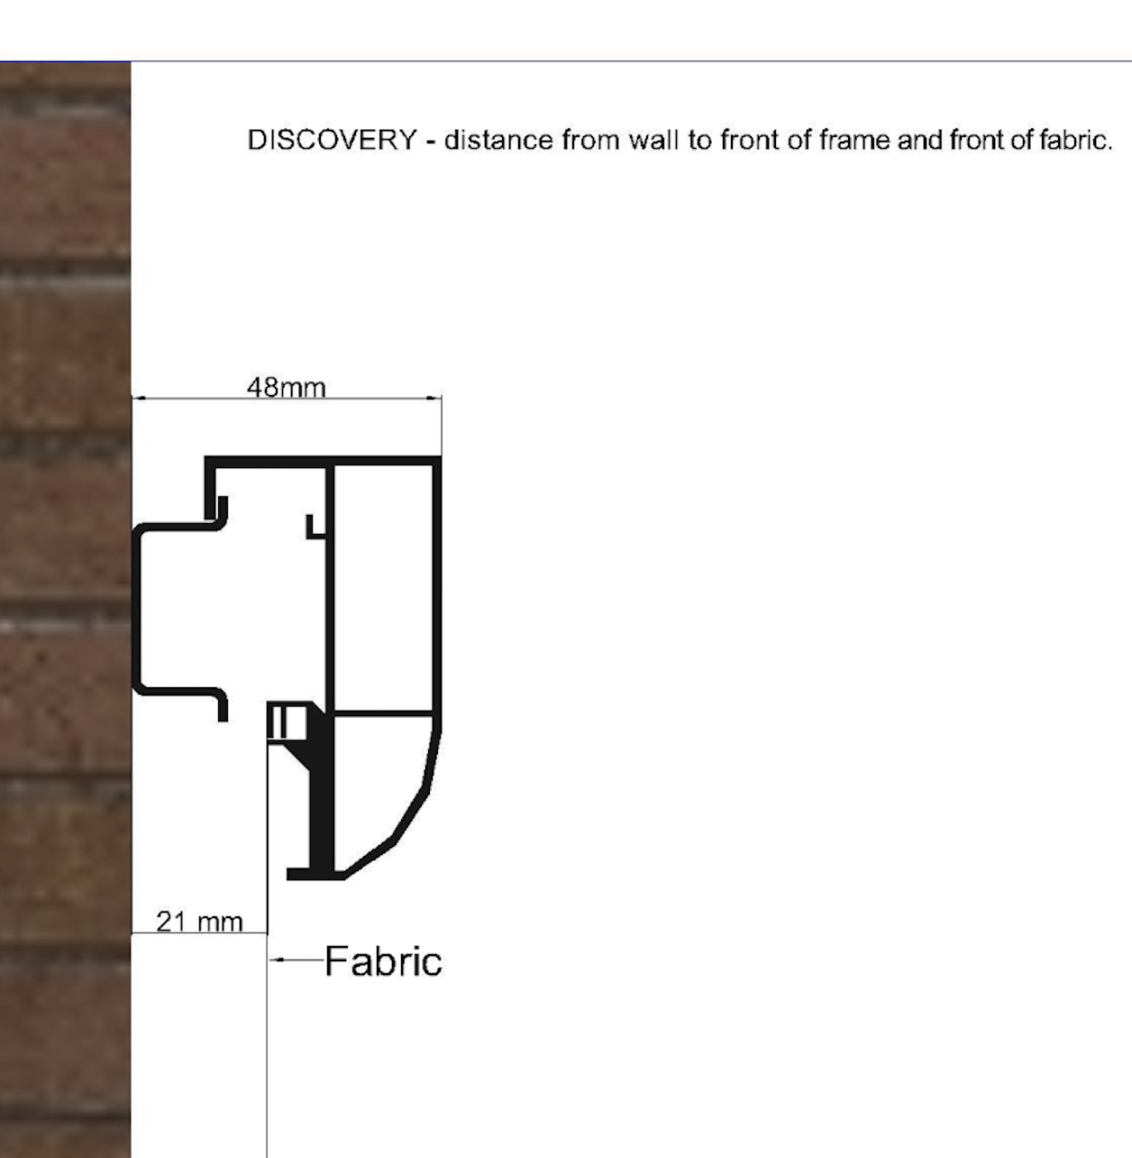

FullScreen
FullScreen Fixed Frame Borderless Screen
125,5" 2,4 Aspect Ratio

 |  |  | 1328
 |  |  | 52.280183727
 |  |  |  |  |  |  |  | 1328
 |  |  |  |  | 3453 |  |  | 52.280183727
 |  |  |  |  | 135.92847769

 |  |  |  |  |  |  |  |  | 30
 |  |  |  | 3187 |  |  |  |  | 1.1811023622
 |  |  |  | 125.47244094
 | Inches | mm |  |  |  | Date: | 2025-10-01
Image W | 125.47244094 | 3,187 | Native AR | 2.40 |  | Customer:
Image H | 52.280183727 | 1328 | Closed AR | NA |  | Sign off:
Ext W | 125.47244094 | 3187 | Close W | NA | Notes: Custom sizes are available. The price is as per the next multiple of 10 inches
Ext H | 52.280183727 | 1328 | Voltage | NA
Diagonal | 135.92847769 | 3453 | Frame W | 0.00
Depth | 1.1811023622 | 30.0 | mm to Inch | 25.40 |  |  |  |  | Drawing Not to Scale

 | Max standard Image width

 |  | AR | Inches | mm
 | HD | 1.78 | 200 | 5080
 | WS | 2.35 - 2.40 | 280 | 7112 |  | For larger sizes, please contact sales@screenexcellence.com

 | Bracket Locations
 | There are 4 brackets on the top and 4 on the bottom of the screen.
 | Min 30mm clearance is needed above the screen for installation with the brakest.

Choose Surface
 | ENLIGHTOR NEO
 | VISIONAIRE USTAT

 | Estimated Shipping Sizes & Weights |  |  |  | The screen is shipped in various parts

 | Boxes: | 1
 | Length: | 1944 | mm | each
 | Height: | 350 | mm | each
 | Width: | 259 | mm | each
 | Weight: | 20 | Kg | Total

Wall
Ceiling
Min 30mm

Slim
SLIM Fixed Screen
118,1" 2,4 Aspect Ratio

 |  |  |  | 3000 |  |  |  | FALSE

 |  |  |  | 3000
 |  |  |  | 118.11023622

 |  |  | 1250
 |  |  | 49.212598425
 |  |  |  |  |  |  |  | 1280
 |  |  |  |  | 3250 |  |  | 50.393700787
 |  |  |  |  | 127.95275591

 |  |  |  |  |  |  |  |  | 30
 |  |  |  | 3030 |  |  |  |  | 1.1811023622
 |  |  |  | 119.29133858
 | Inches | mm |  |  |  | Date: | 2025-10-01
Image W | 118.11023622 | 3,000 | Native AR | 2.40 |  | Customer:
Image H | 49.212598425 | 1250 | Closed AR | NA |  | Sign off:
Ext W | 119.29133858 | 3030 | Close W | NA | Notes:
Ext H | 50.393700787 | 1280 | Voltage | NA
Diagonal | 127.95275591 | 3250 | Frame W | 15.00
Depth | 1.1811023622 | 30.0 | mm to Inch | 25.40 |  |  |  |  | Drawing Not to Scale

Choose Surface
 | ENLIGHTOR NEO
 | VISIONAIRE USTAT

 | Max standard Image width
 |  |  | Enlightor Neo |  | Visionaire USTAT
 |  | AR | Inches | mm | Inches | mm
 | HD | 1.78 | 200 | 5080 | 140 | 3556
 | WS | 2.35 - 2.40 | 200 | 5080 | 160 | 4064
 |  |  |  | For larger sizes, please contact sales@screenexcellence.com
 | Bracket Locations
 | There are 2 brackets on the top and NONE on the bottom of the screen.
 | The top Brackets are Z brackets that are movable to suit. Generally they are 10 Cm in from the side
 | There are no bottom brackets provided as standard.
 | The screen is hanging from the 2 top brackets and resting against a rubber stop at the bottom

 | Estimated Shipping Sizes & Weights |  |  |  | The screen is shipped in various parts

 | Boxes: | 1
 | Length: | 1865 | mm | each
 | Height: | 250 | mm | each
 | Width: | 200 | mm | each
 | Weight: | 24 | Kg | Total

Wall
Ceiling
Min 30mm

Elegance
Elegance Fixed Frame Borderless Screen
96" 1,78 Aspect Ratio

 |  |  |  | 2438
 |  |  |  | 95.984251969

 |  |  | 1370
 |  |  | 53.923737061
 |  |  |  |  |  |  |  | 1370
 |  |  |  |  | 2796 |  |  | 53.923737061
 |  |  |  |  | 110.09425982

 |  |  |  |  |  |  |  |  | 35
 |  |  |  | 2438 |  |  |  |  | 1.3779527559
 |  |  |  | 95.984251969
 | Inches | mm | Fabric | VISIONAIRE HC |  | Date: | 2025-10-01
Image W | 95.984251969 | 2,438 | Native AR | 1.78 |  | Customer:
Image H | 53.923737061 | 1370 | Closed AR | NA |  | Sign off:
Ext W | 95.984251969 | 2438 | Close W | NA | Notes:
Ext H | 53.923737061 | 1370 | Voltage | NA
Diagonal | 110.09425982 | 2796 | Frame W | 0.00
Depth | 1.3779527559 | 35.0 | mm to Inch | 25.40 |  |  |  |  | Drawing Not to Scale

 | Max standard Image width

 |  | AR | Inches | mm
 | HD | 1.78 | 130 | 3302
 | WS | 2.35 - 2.40 | 130 | 3302

 | Bracket Locations
 | There are 4 brackets on the top and 4 on the bottom of the screen.
 | Min 30mm clearance is needed above the screen for installation with the brakest.

 | Estimated Shipping Sizes & Weights |  |  |  | The screen is shipped in various parts

 | Boxes: | 1
 | Length: | 1569 | mm | each
 | Height: | 350 | mm | each
 | Width: | 259 | mm | each
 | Weight: | 15 | Kg | Total

Wall
Ceiling
Min 30mm

Reference
Reference Fixed Screen
135,6" 1,78 Aspect Ratio
 |  |  |  |  | 3444

 |  |  | 1935

 |  |  |  |  |  |  |  | 2123
 |  |  |  |  | 3950

 |  |  |  |  |  |  |  |  | 60
 |  |  |  | 3632

 | Inches | mm |  |  |  | Date: | 2025-10-01
Image W | 135.59055118 | 3444 | Native AR | 1.78 |  | Customer:
Image H | 76.174466956 | 1935 | Closed AR | NA |  | Sign off:
Ext W | 142.99212598 | 3632 | Close W | NA | Notes: |  |  |  | Picture Not to Scale
Ext H | 83.576041759 | 2123 | Voltage | NA
Diagonal | 155.52281822 | 3950 | Frame W | 94
Depth | 2.3622047244 | 60 | mm to Inch | 25.4

 | Max Image width
 | Surface |  | AR |  | Inches | mm
 | Enlightor NEO |  | HD | 1.78 | 200 | 5080
 |  |  | WS | 2.35-2.40 | 280 | 7112
 | Enlightor NEO W |  | HD | 1.78 | 315 | 8001
 |  |  | WS | 2.35-2.40 | 425 | 10795
 | Visionaire HC |  | HD | 1.78 | 140 | 3556
 |  |  | WS | 2.35-2.40 | 190 | 4826
 | Visionaire USTAT |  | HD | 1.78 | 120 | 3048
 |  |  | WS | 2.35-2.40 | 160 | 4064

 | Choose Surface | ENLIGHTOR NEO
 |  | ENLIGHTOR NEO W |  | Y
 |  | VISIONAIRE USTAT
 |  | VISIONAIRE HC

 | Bracket Locations
 | There are 2-4 brackets on the top and on the bottom of the screen.
 | The top Brackets are Z brackets that are movable to suit.
 | The bottom brackets are Snap In brackes that are movable
 | If the Screen is greater than 160" then there are 2 additional brackets / top and bottom.

 | Estimated Shipping Sizes & Weights |  |  |  | The screen is shipped in various parts
 | Boxes: | 1
 | Length: | 2166 | mm | each
 | Height: | 250 | mm | each
 | Width: | 350 | mm | each
 | Weight: | 41 | Kg | Total

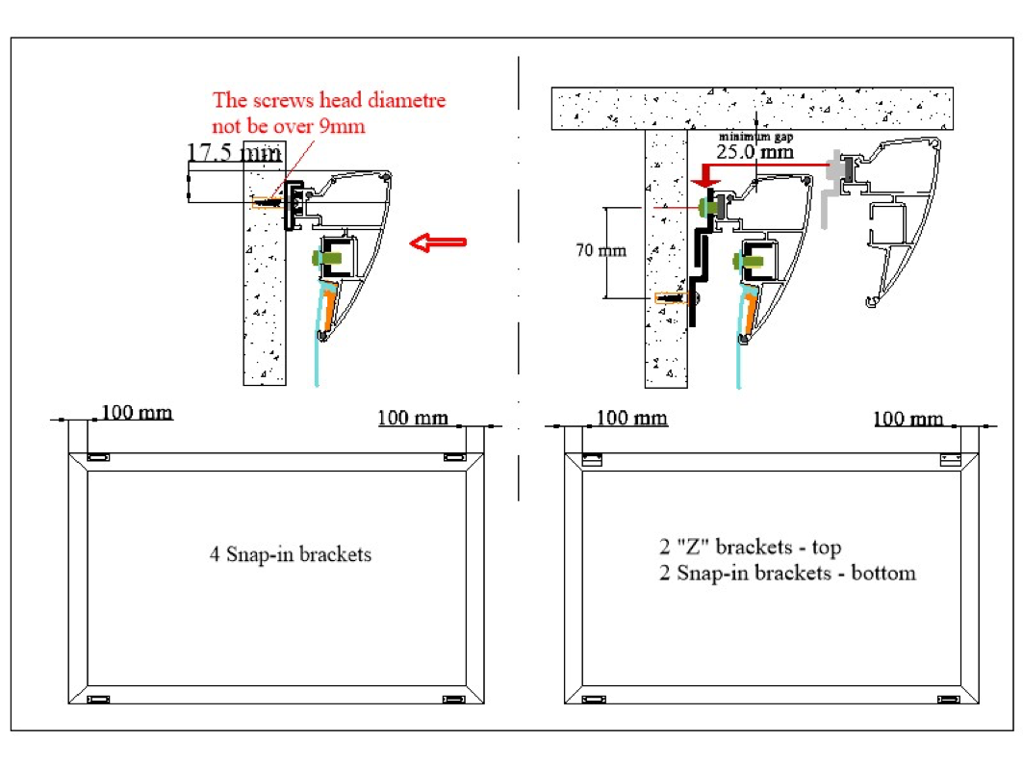

RTS
RetractableTensioned Screen

 |  |  | 130" 1,78 Aspect Ratio

 |  |  | Note: The RTS projection surface is either dropping from the front or the rear. Please specify when ordering

 |  |  |  | 3613 |  |  |  |  | 151

Black Drop
 |  |  |  |  |  |  |  |  |  | 149
200

 |  |  |  | 3302

1855
 |  |  |  |  |  |  |  | 2294

 |  |  |  | 3787 |  |  |  |  |  | 200

 |  |  |  | 3563

 | Inches | mm |  |  |  | Date: | 2025-10-01
Image W | 130 | 3302 | Native AR | 1.78 |  | Customer:
Image H | 73.033707865 | 1855 | Case | 3613 | 149 | Sign off:
Ext W | 142.24409449 | 3613 | B. Drop (mm) | 200 | Case colour: White
Ext H | 90.317172432 | 2294 | Voltage | 220 V
Diagonal | 149.11043721 | 3787 | Batten (mm) | 3563
Depth | 5.9448818898 | 151 | mm to Inch | 25.4 |  |  |  | Drawing Not to Scale

Choose Surface |  |  |  | Choose Colour
 | Solid |  |  |  | White
 | Microperf. |  |  |  | Black

 | Max standard Image width

 |  | AR | Inches | mm
 | HD | 1.78 | 160 | 4064
 | WS | 2.35 - 2.40 | 160 | 4064 |  | For larger sizes, please contact sales@screenexcellence.com

 | Bracket Locations
 | There is a pair of wall/ceiling compatible brackets supplied with the screen.
 | They are to be placed near the case ends

 | Estimated Shipping Sizes & Weights |  |  |  | The screen is shipped assembled ready to install

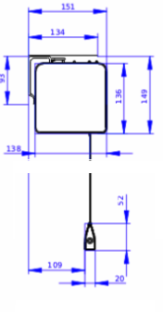
 | Boxes: | 1
 | Length: | 3713 | mm
 | Height: | 200 | mm
 | Depth: | 200 | mm
 | Weight: | 52 | Kg

RTS In Ceiling
In Ceiling Retractable Tensioned Screen
145" 1,78 Aspect Ratio

 |  |  |  |  |  |  |  |  | 145
 |  |  |  | 4013

 |  |  |  |  |  |  |  | 136

BLACK DROP
Black Drop
500

 |  |  |  |  |  |  |  | 2795 |  | 2659
2069
 |  |  |  |  | 4224

90

 | Inches | mm | Fabric | Enlightor S |  | Date: | 2025-10-01
Image W | 145 | 3683 | Native AR | 1.78 |  | Customer:
Image H | 81.460674157 | 2069 | Case | 4013 | 136 | Sign off:
Ext W | 157.99212598 | 4013 | B. Drop (mm) | 500 | In Ceiling installation only
Ext H | 110.04335132 | 2795 | Voltage | 240v
Diagonal | 166.31548766 | 4224 | Batten (mm) | 3963
Depth | 5.7086614173 | 145 | mm to Inch | 25.4 |  |  |  | Not to Scale

Choose Surface
 | Solid
 | Microperf.

 | Max standard Image width
...

MediaTime
MediaTime Retractable Motorised AT Screen
102,4" 1,777 Aspect Ratio

 |  |  |  | 3124 |  |  | 148

 |  |  |  |  |  |  |  | 139
Black Drop
220

 |  |  |  |  |  | 1892

 |  | 1463
 |  |  |  |  | 2983
...
 | Estimated Shipping Sizes & Weights : |  |  |  | The screen is shipped assembled ready to install

 | Boxes: | 1
 | Length: | 3224 | mm | ADD 100 mm WHEN A REMOTE CONTROL IS INCLUDED
 | Height: | 250 | mm
 | Depth: | 350 | mm
 | Weight: | 46 | Kg

 |  |  | 148

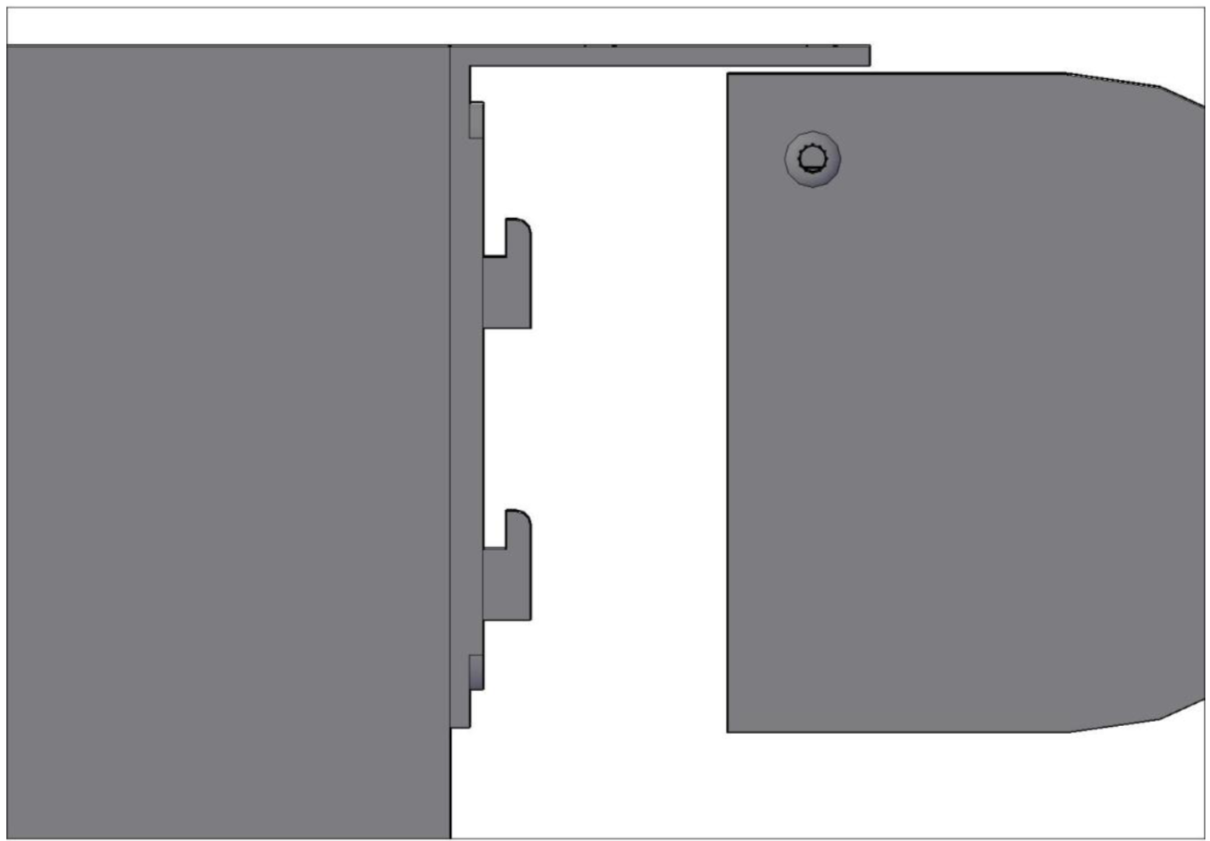

 | 139

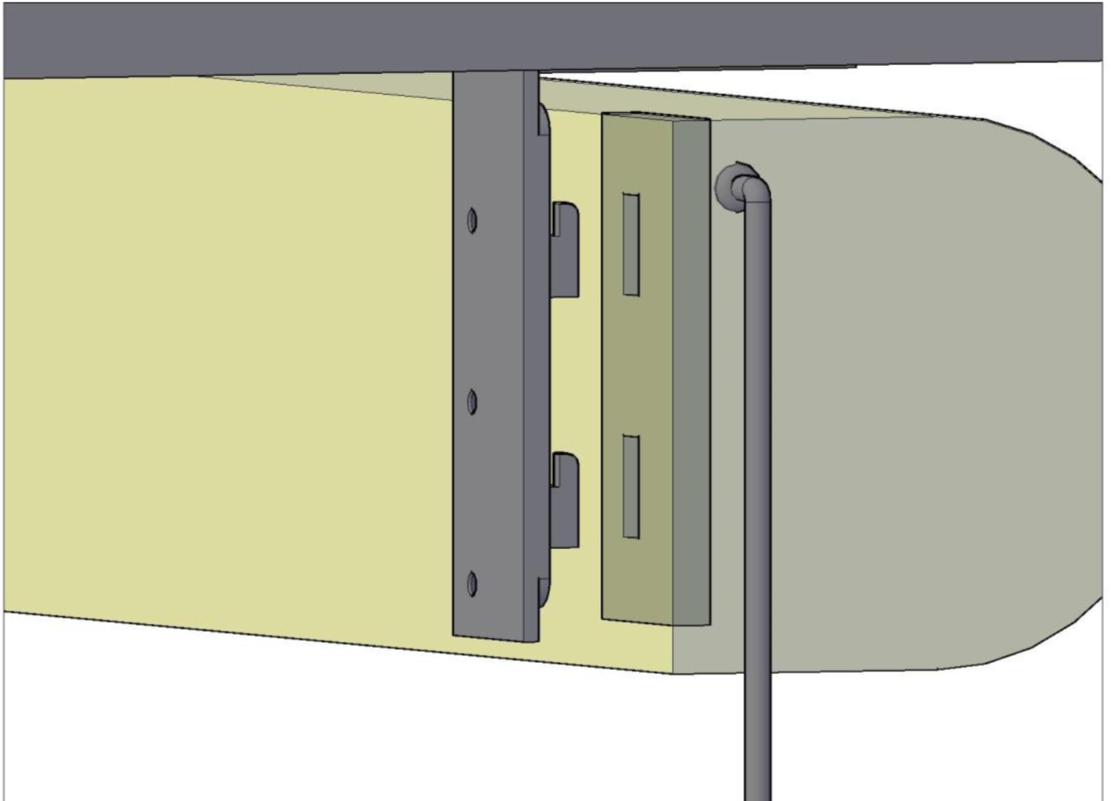

 |  | 5mm mm

 | 30

 | 50
 |  | 25

MFR WS
 | Multi Format Retractable Motorised AT Screen
 | 119,3" 2,4 Aspect Ratio

 |  |  |  |  | 3380 |  |  | 252

 |  |  |  |  |  |  | 147

Black Drop
703

MASK

 |  |  |  |  | 2247
 |  |  |  |  |  |  | 2183 |  | 2036

 |  |  | 1263 |  | 3283

 |  |  |  |  | 3030
...
 |  | Max standard Native Image width

 |  |  | AR | Inches | mm
 |  | WS | 2.4 | 140 | 3556

 |  | Bracket Locations
 |  | There are 2 ceiling DIN fixing rails supplied with the screen.

 |  | Estimated Shipping Sizes & Weights |  |  |  | The screen is shipped assembled ready to install

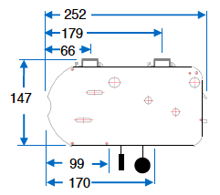
 |  | Boxes: | 1
 |  | Length: | 3480 | mm
 |  | Height: | 250 | mm
 |  | Depth: | 500 | mm
 |  | Weight: | 60 | Kg

MFR HD
Multi Format Retractable Motorised AT Screen
119,3" 1,78 Aspect Ratio

 |  | 3380 |  |  | 252

 |  |  |  | 147

Black Drop
703

Mask

 |  |  |  | 2622 |  | 2475

 | 1702 | 3475 | 1263
...

TAM Art Edition
...
This Photo by Unknown Author is licensed under CC BY-SA
This Photo by Unknown Author is licensed under CC BY-SA

This Photo by Unknown Author is licensed under CC BY-SA

This Photo by Unknown Author is licensed under CC BY-SA

This Photo by Unknown Author is licensed under CC BY-SA

